Equivalent Resistance
Series |  |  |  | Parallel
Circuit Description | Pictorial Representation | Total Current (A) | Total Resistance (Ω) | Circuit Description | Pictorial Representation | Total Current (A) | Total Resistance (Ω)
6V Circuit with Two 100 Ω Resistors | 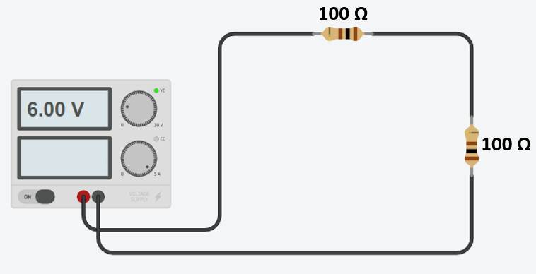 |  |  | 6V Circuit with Two 100 Ω Resistors | 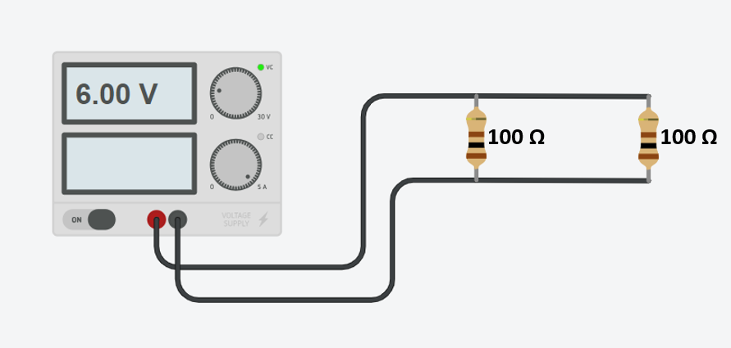
6V Circuit with Three 100 Ω Resistors | 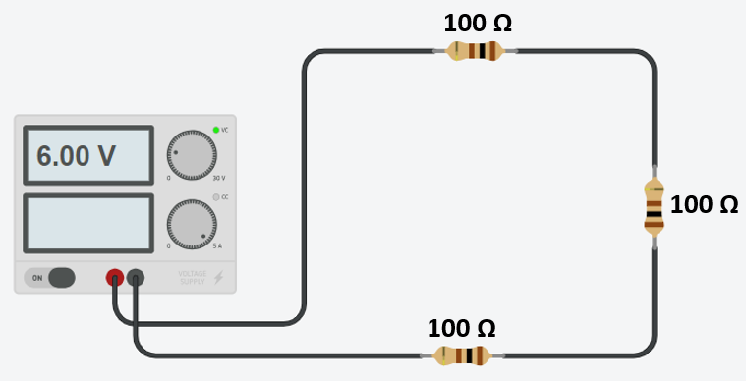 |  |  | 6V Circuit with Three 100 Ω Resistors | 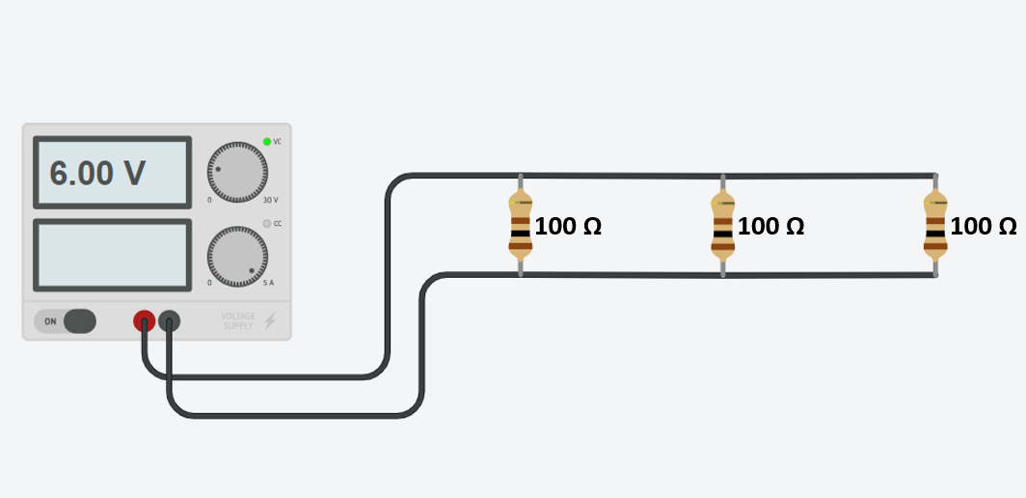
6V Circuit with Two 200 Ω Resistors | 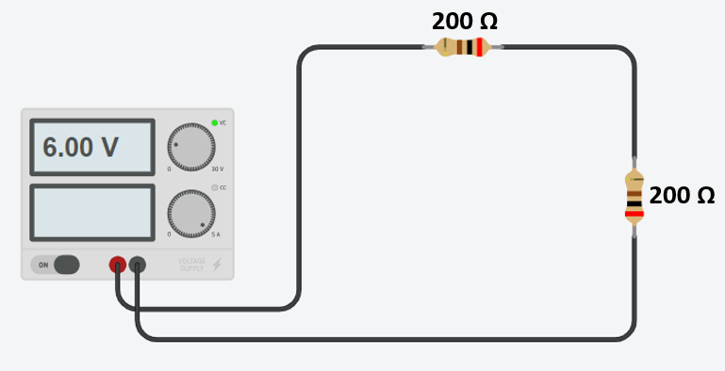 |  |  | 6V Circuit with Two 200 Ω Resistors | 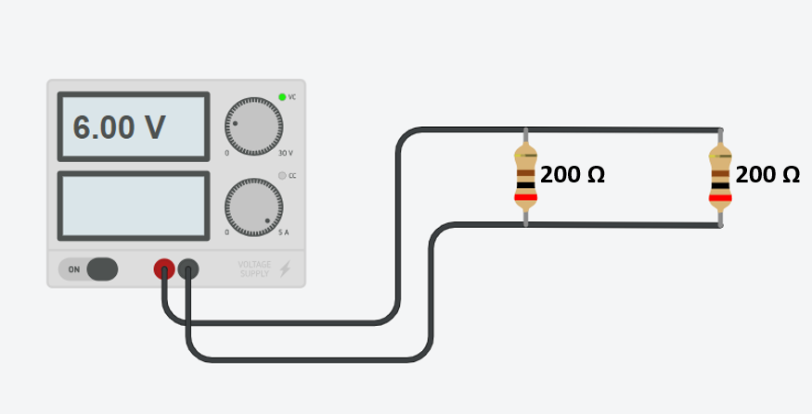
6V Circuit with Three 200 Ω Resistors | 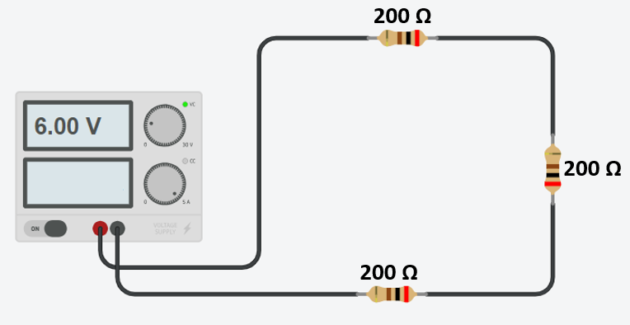 |  |  | 6V Circuit with Three 200 Ω Resistors | 